Sheet1
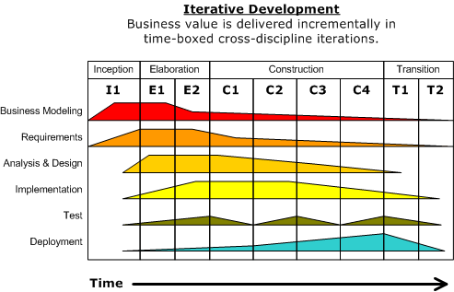
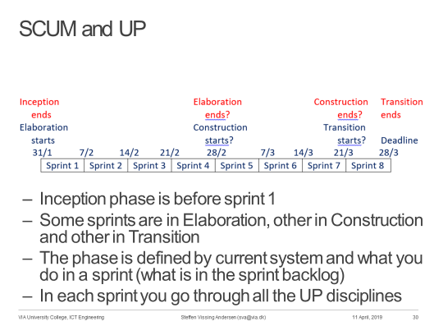
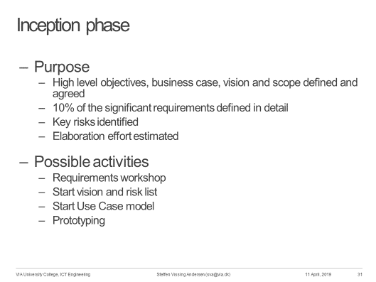
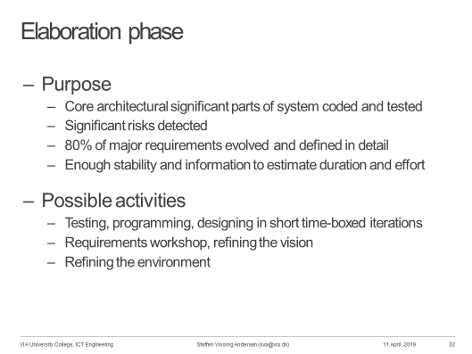
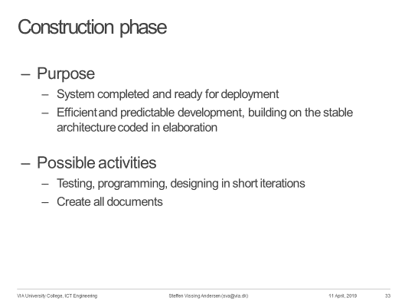
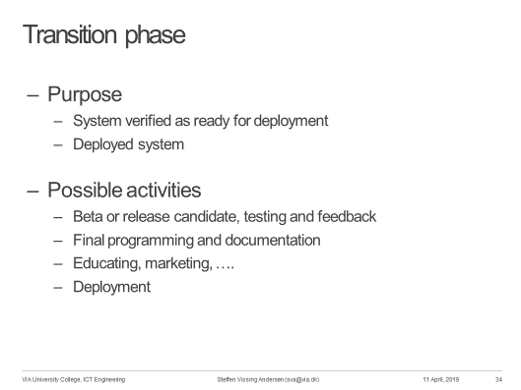
Date |  | Story points |  | Remaining |  | Done
 |  | Planed | Actual | Planned | Actual | Done today
 | 0 | 0
Burndown Chart
2019-03-28 | 1 | 10 | 10 | 200 | 200 | 10
2019-04-04 | 2 | 10 | 10 | 190 | 190 | 10
2019-04-11 | 3 | 10 | 10 | 180 | 180 | 10
2019-04-25 | 1 | 10 | 0 | 170 | 180
2019-05-02 | 2 | 10 | 0 | 160 | 180
2019-05-09 | 3 | 10 | 0 | 150 | 180
2019-05-20 |  | 10 | 0 | 140 | 180
2019-05-21 |  | 10 | 0 | 130 | 180
2019-05-22 |  | 10 | 0 | 120 | 180
2019-05-23 |  | 10 | 0 | 110 | 180
2019-05-24 |  | 10 | 0 | 100 | 180
2019-05-27 |  | 10 | 0 | 90 | 180
2019-05-28 |  | 10 | 0 | 80 | 180
2019-05-29 |  | 10 | 0 | 70 | 180
2019-05-30 |  | 10 | 0 | 60 | 180
2019-05-31 |  | 10 | 0 | 50 | 180
2019-06-03 |  | 10 | 0 | 40 | 180
2019-06-04 |  | 10 | 0 | 30 | 180
2019-06-05 |  | 10 | 0 | 20 | 180
2019-06-06 |  | 10 | 0 | 10 | 180
2019-06-07 |  | 10 | 0 | 0 | 180

